Filters
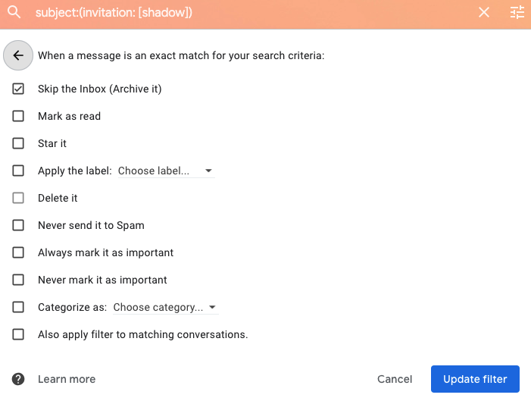
Gmail
Settings > See All Settings > Filters and Blocked Addresses > Create a new filter
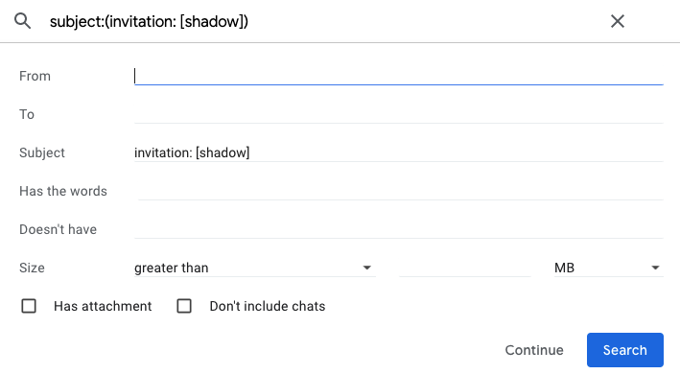
Subject: invitation: [shadow]
Continue
Skip the Inbox (Archive it)
Create / Update Filter

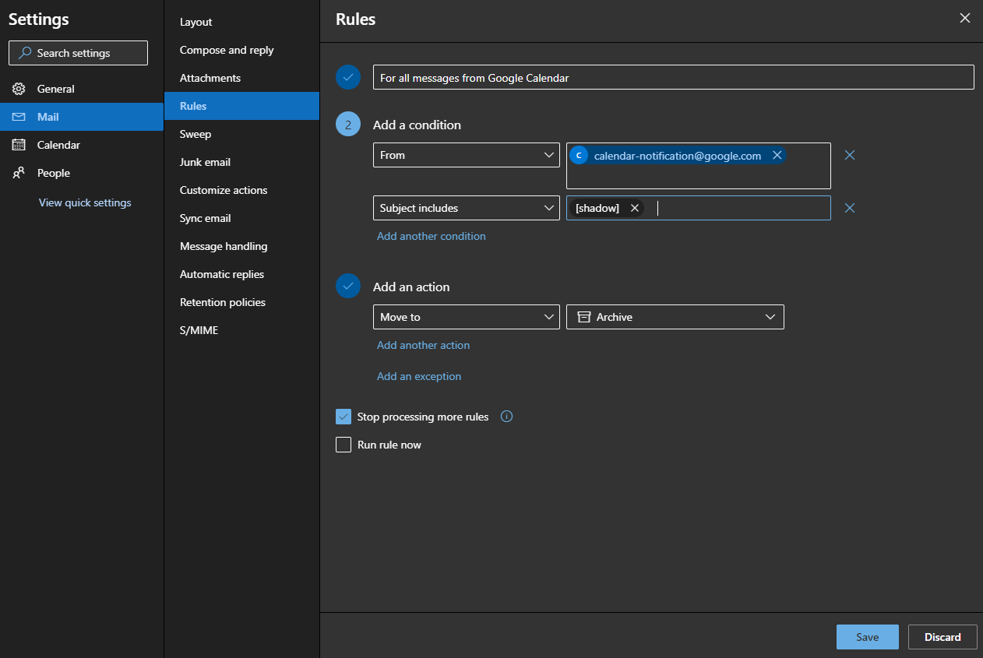
Outlook (Web)
Settings > View All Outlook Settings > Rules > Add new rule

Condition
From calendar-notification@google.com
Subject includes [shadow]

Action
Move to Archive

Save

